Quintiles
 | Statistics
 | REGR factor score 1 for analysis 1
 | N | Valid | 74425
 |  | Missing | 0
 | Mean |  | -0.0559310
 | Median |  | -0.3830333
 | Std. Deviation |  | 0.98803302
 | Minimum |  | -1.44381
 | Maximum |  | 3.26753
 | Percentiles | 20 | -0.8650122
 |  | 40 | -0.5619228
 |  | 60 | -0.1320319
 |  | 80 | 0.6841331

Histogram
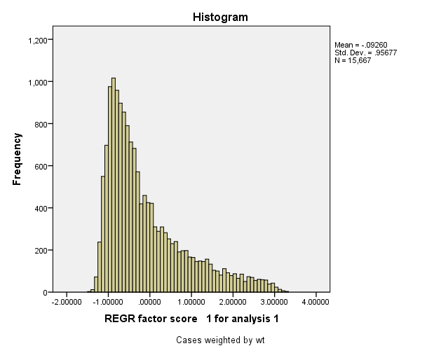

Report

Report
Mean
 | Wealth Index Quintiles
 | 1.00 | 2.00 | 3.00 | 4.00 | 5.00 | Total
if household has electric | 0.00 | 0.03 | 0.15 | 0.50 | 0.93 | 0.32
if household has radio | 0.19 | 0.36 | 0.47 | 0.54 | 0.68 | 0.45
if household has tv | 0.13 | 0.48 | 0.75 | 0.91 | 0.98 | 0.65
if household has fridge | 0.00 | 0.00 | 0.00 | 0.00 | 0.30 | 0.06
if household has bicycle | 0.52 | 0.70 | 0.77 | 0.78 | 0.68 | 0.69
if household has motorcycle or scooter | 0.13 | 0.43 | 0.63 | 0.77 | 0.89 | 0.57
if household has car or truck | 0.00 | 0.00 | 0.01 | 0.04 | 0.32 | 0.08
if cooking is done in a separate bldg or room | 0.09 | 0.13 | 0.15 | 0.18 | 0.36 | 0.18
if household has mobile phone | 0.14 | 0.49 | 0.73 | 0.90 | 0.99 | 0.65
if water is piped into residence during wet season | 0.00 | 0.00 | 0.01 | 0.06 | 0.48 | 0.11
if water is piped into yard during wet season | 0.00 | 0.01 | 0.02 | 0.06 | 0.08 | 0.04
if water is from pub tap/standpipe during wet season | 0.00 | 0.00 | 0.01 | 0.00 | 0.01 | 0.00
if gets water from tubewell or borehole during wet season | 0.35 | 0.37 | 0.39 | 0.30 | 0.11 | 0.30
if gets water from a protected well | 0.03 | 0.04 | 0.03 | 0.04 | 0.02 | 0.03
if gets water from an unprotected well | 0.25 | 0.22 | 0.16 | 0.10 | 0.02 | 0.15
if gets water from a protected spring | 0.00 | 0.00 | 0.01 | 0.00 | 0.00 | 0.00
if gets water from river, stream, pond, lake or dam | 0.33 | 0.28 | 0.24 | 0.16 | 0.04 | 0.21
if collects rainwater for drinking | 0.02 | 0.03 | 0.07 | 0.13 | 0.08 | 0.07
if uses bottled drinking water | 0.00 | 0.00 | 0.00 | 0.02 | 0.09 | 0.02
if household has watch | 0.04 | 0.14 | 0.24 | 0.38 | 0.60 | 0.28
if household has a cart | 0.25 | 0.27 | 0.26 | 0.17 | 0.02 | 0.19
if household has boat w motor | 0.04 | 0.05 | 0.07 | 0.05 | 0.02 | 0.04
if household has a bank acct | 0.00 | 0.00 | 0.01 | 0.03 | 0.26 | 0.06
if household has a wardrobe | 0.01 | 0.10 | 0.31 | 0.62 | 0.88 | 0.39
if household has sewing machine | 0.00 | 0.02 | 0.06 | 0.14 | 0.21 | 0.09
if household has landline phone | 0.00 | 0.01 | 0.04 | 0.12 | 0.30 | 0.09
if household has cd/dvd player | 0.01 | 0.11 | 0.30 | 0.51 | 0.76 | 0.34
if household has a motorcycle cart | 0.00 | 0.01 | 0.02 | 0.04 | 0.04 | 0.02
Number of members per sleeping room | 5.34 | 4.90 | 4.77 | 4.35 | 3.03 | 4.48
if has grass/thatch/makuti roofing | 0.43 | 0.12 | 0.04 | 0.01 | 0.00 | 0.12
if roof made of corrugated iron | 0.37 | 0.54 | 0.50 | 0.48 | 0.53 | 0.48
if has roof made of cemtfiber (+19wood) | 0.04 | 0.08 | 0.09 | 0.09 | 0.08 | 0.08
if roof made of ceramic tiles | 0.00 | 0.01 | 0.02 | 0.04 | 0.08 | 0.03
if roof is made of tile | 0.15 | 0.25 | 0.36 | 0.37 | 0.18 | 0.26
if roof is made of concrete (+16 other) | 0.00 | 0.00 | 0.00 | 0.00 | 0.12 | 0.03
if uses shared flush toilet to sewer | 0.00 | 0.00 | 0.00 | 0.00 | 0.02 | 0.01
if has own flush toilet to sewer | 0.00 | 0.00 | 0.00 | 0.01 | 0.34 | 0.07
if has own flush toilet to non-sewer | 0.00 | 0.04 | 0.18 | 0.57 | 0.56 | 0.27
if uses shared flush toilet to non-sewer | 0.00 | 0.03 | 0.08 | 0.13 | 0.05 | 0.06
if uses shared latrine (any kind) | 0.00 | 0.01 | 0.01 | 0.01 | 0.00 | 0.01
if uses the bush | 0.98 | 0.87 | 0.67 | 0.24 | 0.01 | 0.55
hectares | 317.33 | 195.28 | 139.05 | 127.26 | 102.85 | 176.35
if household has boat w/out motor | 0.07 | 0.07 | 0.07 | 0.05 | 0.01 | 0.05
if household has gen/battery/solar src of energy | 0.39 | 0.63 | 0.72 | 0.55 | 0.17 | 0.49
if uses electricity for cooking | 0.00 | 0.00 | 0.00 | 0.00 | 0.01 | 0.00
if uses LPG or biogas for cooking | 0.00 | 0.00 | 0.00 | 0.04 | 0.52 | 0.11
if uses charcoal or lignite/coal for cooking | 0.00 | 0.01 | 0.03 | 0.11 | 0.28 | 0.09
if uses wood, straw/crop (+2) or dung (+22) for cooking fuel | 1.00 | 0.98 | 0.97 | 0.85 | 0.18 | 0.80
if floor is earth/sand | 0.09 | 0.09 | 0.07 | 0.06 | 0.01 | 0.06
if floor is of wood planks | 0.46 | 0.52 | 0.55 | 0.56 | 0.25 | 0.47
if floor is palm | 0.44 | 0.37 | 0.31 | 0.19 | 0.01 | 0.27
if has cemt tile flooring (+13linofloor) | 0.00 | 0.00 | 0.01 | 0.02 | 0.10 | 0.03
if flooring is of ceramic tiles (+33parq) | 0.00 | 0.00 | 0.01 | 0.05 | 0.49 | 0.11
if floor is of cement | 0.00 | 0.02 | 0.05 | 0.12 | 0.14 | 0.07

